Sheet2
 | DATA ANALYSIS

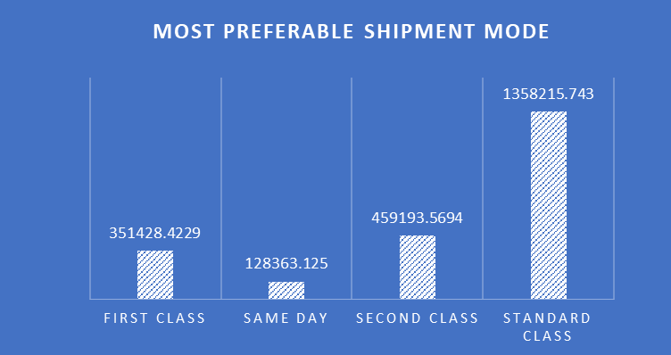

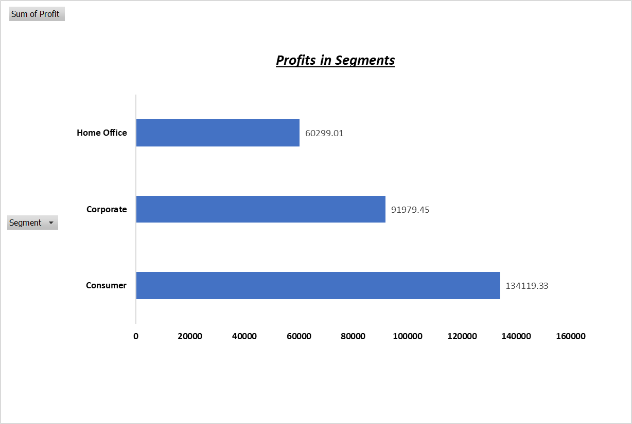
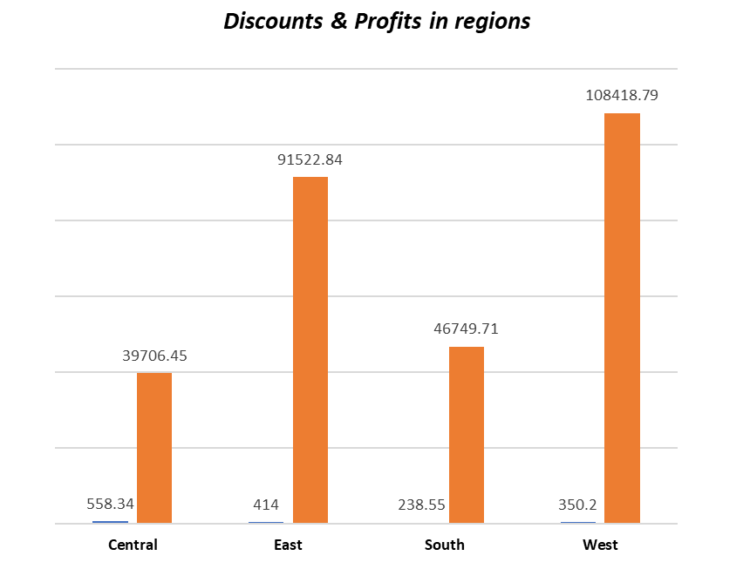

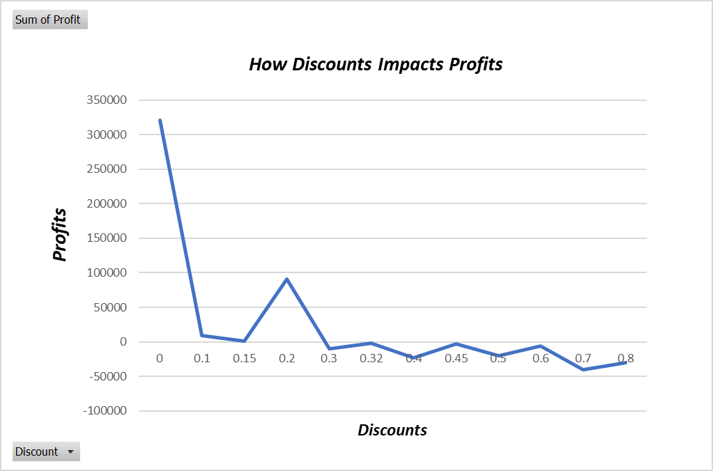

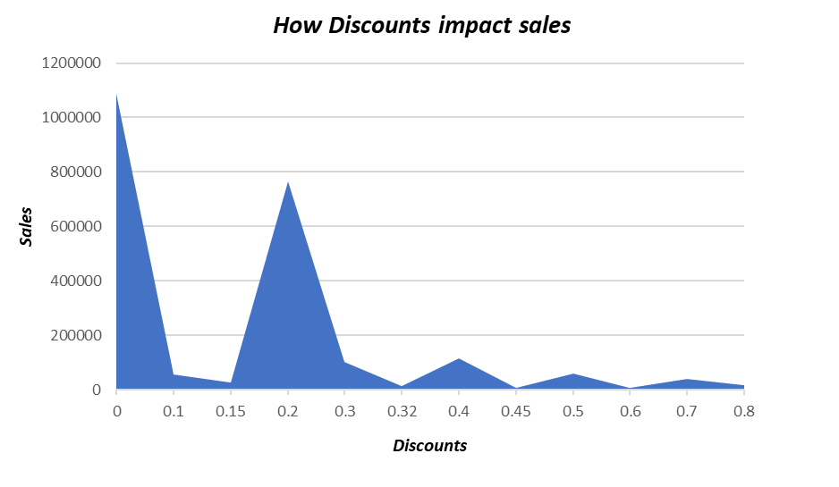

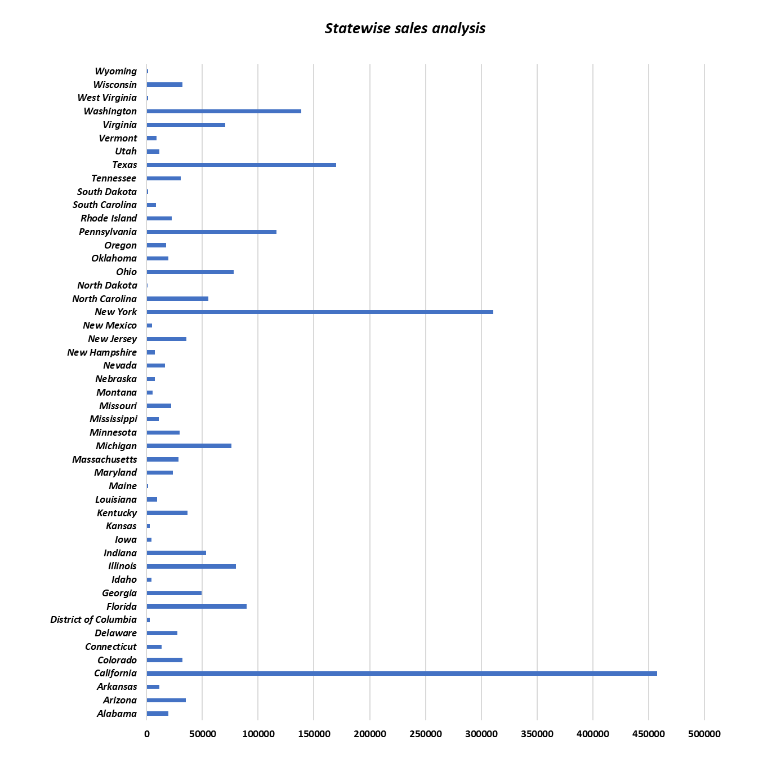

Corelation between Sales & Profits
68.81 | -123.86
2.544 | -3.82
665.88 | 13.32
19.46 | 5.06
60.34 | 15.69
29.472 | 9.95
1097.544 | 123.47
190.92 | -147.96
113.328 | 35.42
532.3992 | -46.98
212.058 | -15.15
371.168 | 41.76
147.168 | 16.56
45.98 | 19.77
17.46 | 8.21
211.96 | 8.48
38.22 | 17.96
75.18 | 35.33
6.16 | 2.96
89.99 | 17.1
213.115 | -15.22
19.05 | 8.76
1.248 | -1.93
9.708 | -5.82
27.24 | 2.72
19.3 | -14.48
230.376 | -48.95
19.99 | 6.8
6.16 | 2.96
158.368 | 13.86
12.96 | 6.22
53.34 | 16.54
32.96 | 16.15
77.88 | 22.59
64.624 | 22.62
95.976 | -10.8
1.788 | -3.04
23.92 | 11.72
339.96 | 67.99
75.96 | 22.79
27.24 | 13.35
600.558 | -8.58
617.7 | -407.68
839.43 | 218.25
384.45 | 103.8
149.97 | 6
1951.84 | 585.55
171.55 | 80.63
14.62 | 6.87
944.93 | 236.23
...

SUMMARY:

1. Most of the sales fall under consumer segment about 50%.

2. Most of the customers prefers to Standard Class shipment mode which reflects their Total Cost.

3. The Highest Profits come the consumer segments compared to other segments.

4. In region wise, the west region is high in profits & central region is the lowest in profits.

5. Central region has highest Discount rates which impacts their profits into lowest among all regions.

6. We found that there is Negative Corelation between Discounts and Sales, Discounts and Profits. So that, it turns into huge lose where they offers discounts.

7. California has highest sales rate compare to others and

8. Relation between Sales & Profits in the scatter plot shows and R Squared value is very low about 0.2 i.e variance is high.
And the equation we got to predict the profit based on sales with Coefficent(slope) of 0.1801 and Intercept(constant) of -12.733.
Hence, Y = 0.1801X - 12.733 is the equation we can find the Profits based on Sales.

